Grafico1
 | D99 L120 | D99 L100 | D99 L80 | D99 L60 | D99 L40 | D87 L120 | D87 L100 | D87 L80 | D87 L60 | D87 L40 | D87 L120 bend
1.00 | 0.35 | 0.33 | 0.30 | 0.28 | 0.25 | 0.43 | 0.41 | 0.35 | 0.34 | 0.30 | 0.48
2.00 | 0.53 | 0.48 | 0.41 | 0.36 | 0.31 | 0.69 | 0.62 | 0.56 | 0.50 | 0.38 | 0.84
4.00 | 0.95 | 0.87 | 0.70 | 0.64 | 0.51 | 1.39 | 1.17 | 1.02 | 0.89 | 0.70 | 1.82
6.00 | 1.44 | 1.30 | 1.04 | 0.95 | 0.75 | 2.11 | 1.77 | 1.54 | 1.34 | 1.07 | 3.07
8.00 | 1.93 | 1.79 | 1.42 | 1.30 | 1.04 | 2.89 | 2.45 | 2.18 | 1.87 | 1.49 | 4.47
10.00 | 2.58 | 2.38 | 1.90 | 1.74 | 1.40 | 3.86 | 3.28 | 2.87 | 2.51 | 2.00 | 6.14

Grafico2
Titolo del grafico
 | D87 L120 | D87 L100 | D87 L80 | D87 L60 | D87 L40 | D87 L120 bend
1.00 | 0.43 | 0.41 | 0.35 | 0.34 | 0.30 | 0.48
2.00 | 0.69 | 0.62 | 0.56 | 0.50 | 0.38 | 0.84
4.00 | 1.39 | 1.17 | 1.02 | 0.89 | 0.70 | 1.82
6.00 | 2.11 | 1.77 | 1.54 | 1.34 | 1.07 | 3.07
8.00 | 2.89 | 2.45 | 2.18 | 1.87 | 1.49 | 4.47
10.00 | 3.86 | 3.28 | 2.87 | 2.51 | 2.00 | 6.14

Grafico3
 | D87 L120 |  | D87 L100 |  | D87 L120 bend
4.00 | 1.39 | 4.00 | 1.17 | 4.00 | 1.82
6.00 | 2.11 | 6.00 | 1.77 | 6.00 | 3.07
8.00 | 2.89 | 8.00 | 2.45 | 8.00 | 4.47

PHOTO notes
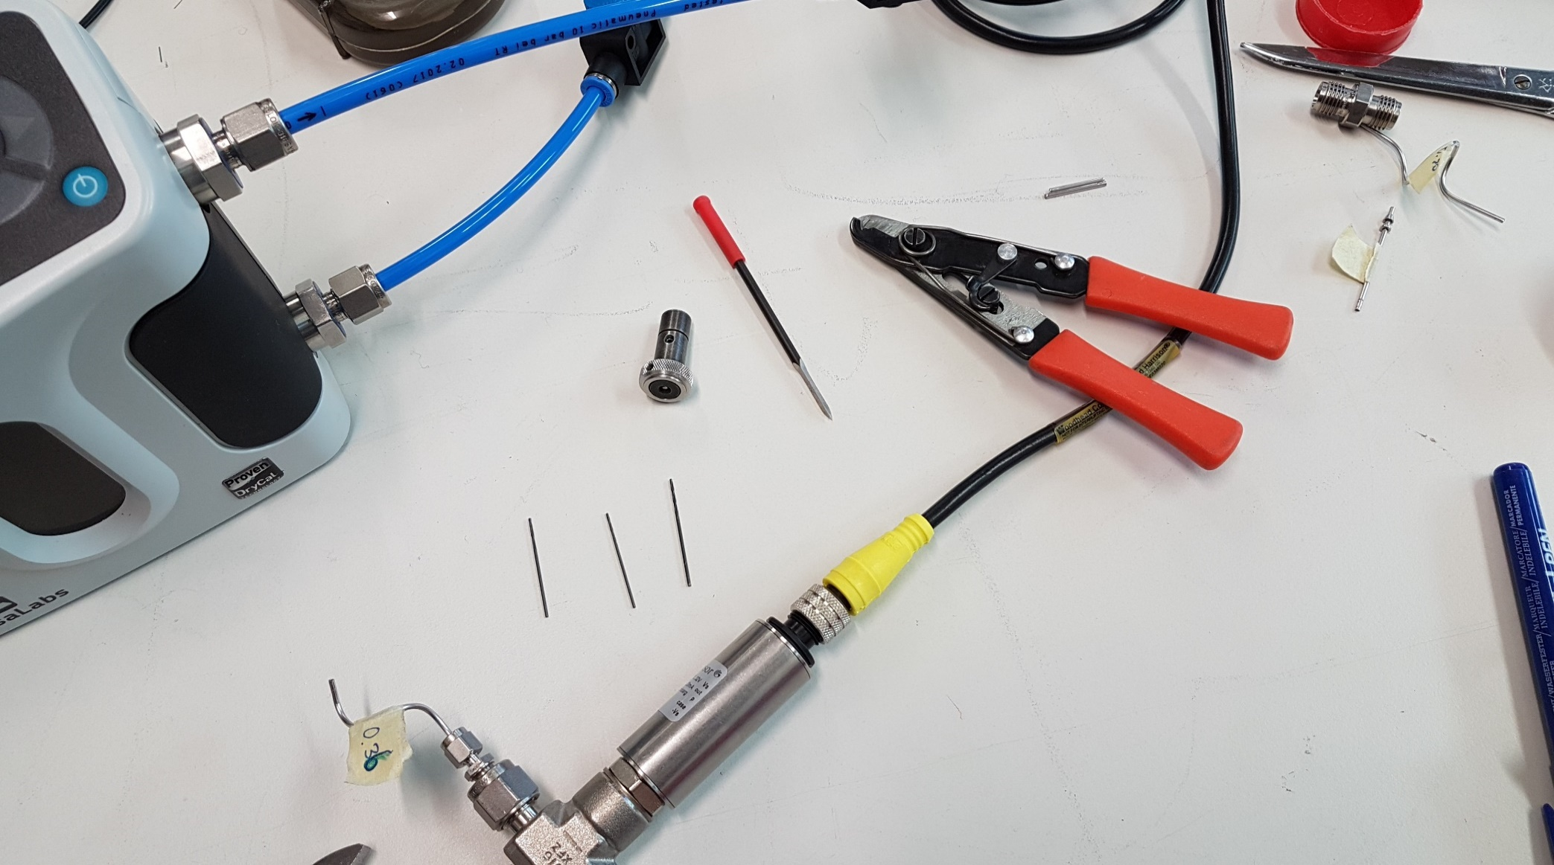
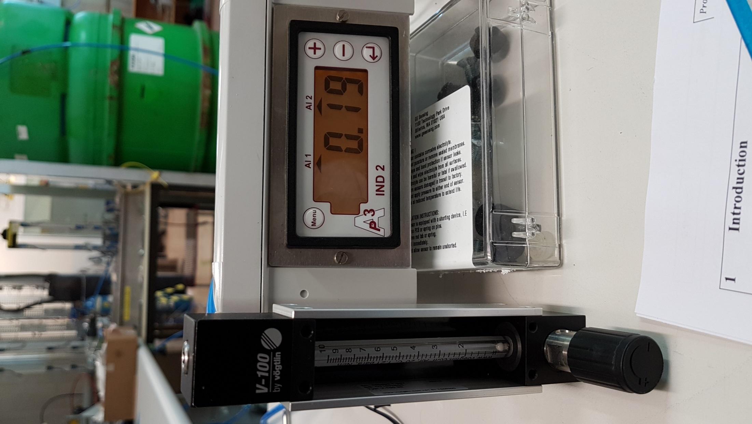

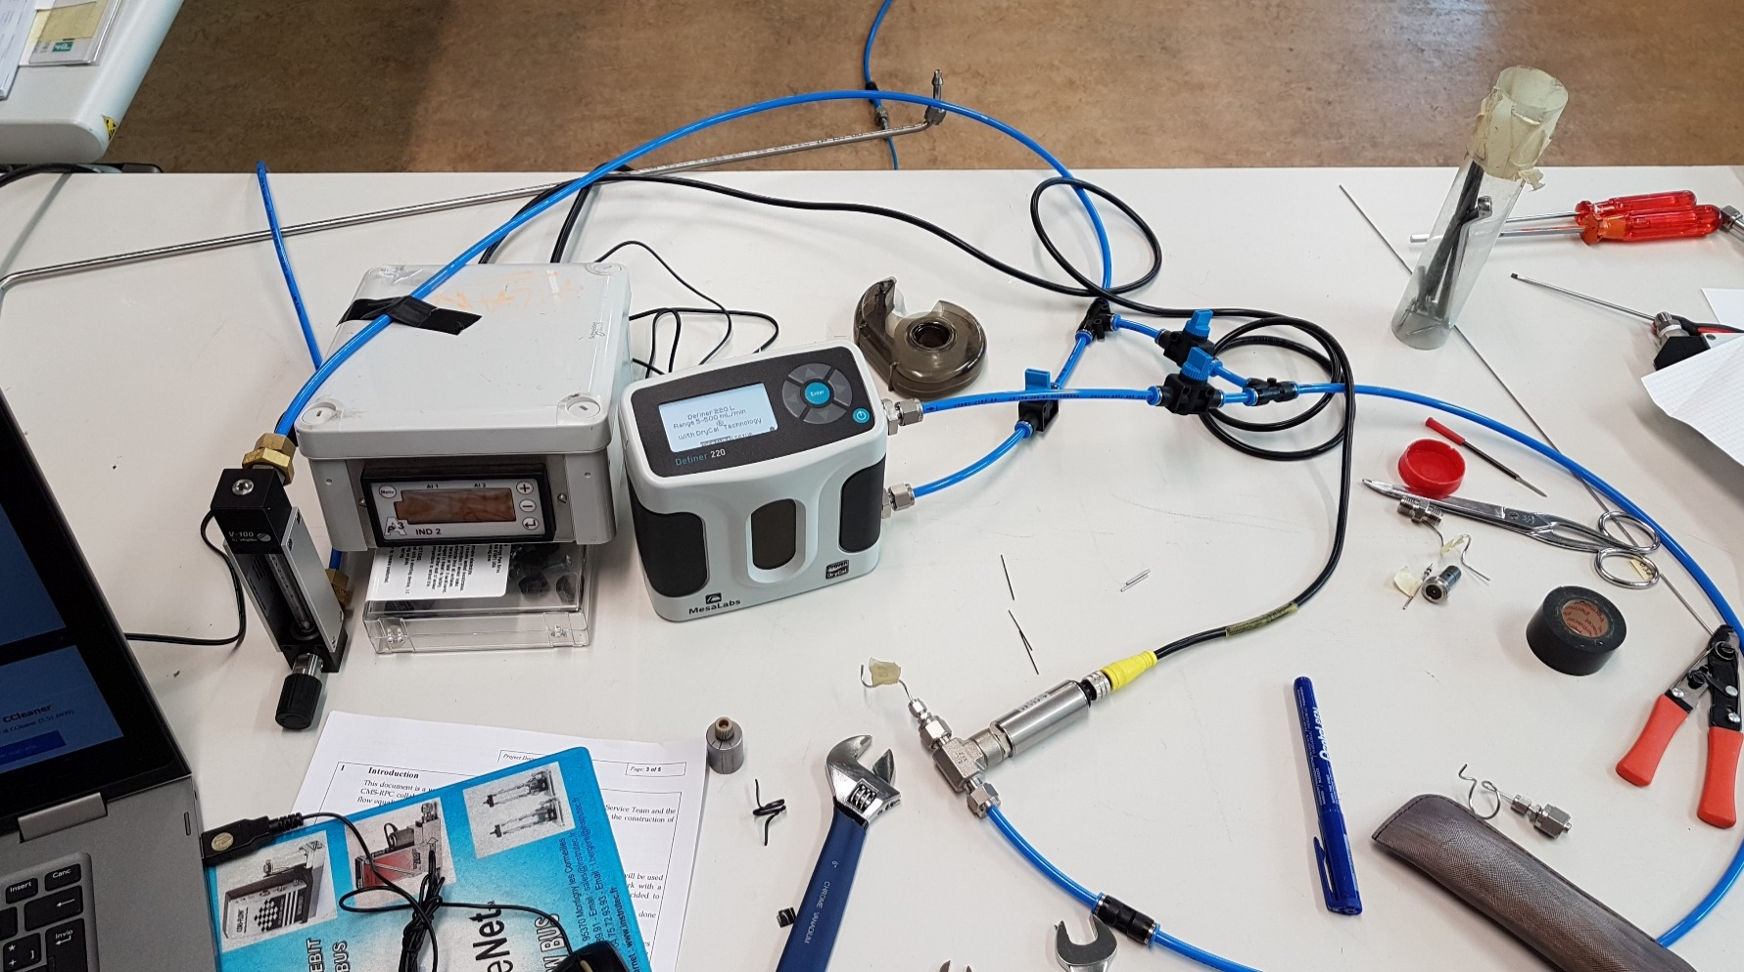

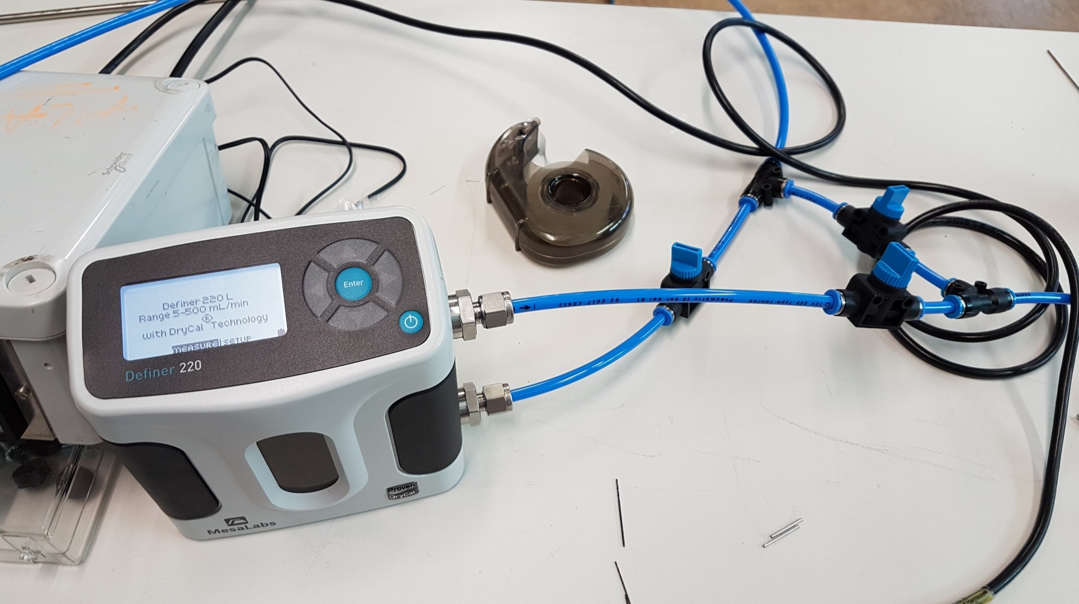

to check the ID pipes (ID 0.99 and ID 0.87) after cutting we use the drills 1.0 ; 0.9 ; 0.85
to close the swagelok fitting 1.59 we turn the nuts 3/4
very important to clean the hole after the cutting
for the pipe ID 0.87 very important check the ID with the drill 0.85

pressione di uscita dal bombolone 0.4 bar
misuratore di pressione +/- 10 mbar
la numerazione dei canali inizia dalla più vicina al conett. Di ingresso collettore

