LeaksFeb2016
 |  |  |  |  |  | Criteria of sufficient leak tightness is for Air/Argon <20mBar/hr @ 12 Bar Volume for MiniManifold + SMs?
Leak Test RE+4 Feb 2016 |  |  |  |  |  | Criteria of sufficient leak tightness is for water <50mBar/hr @ 12Bar. Vol for Mini Manifoild + SMs ?

Transcribe of values made by ZEC and scanned by Norbert on 08/02/2016
 |  |  |  |  |  |  |  |  |  |  |  |  |  |  |  |  | Volume of RE4 cicuits inc the MiniManifolds
 |  |  | Time |  | Pressure |  | Fluid | Dtime | Dtime | Dtime | DP | DP/DT | Volume approx | Leak rate | Leak rate |  | Very approx = |  | 10.1 | [litres]

 |  |  | [Hr:min] |  | [Bar] |  |  | [Hr:min] | [hrs] | [s] | [Bar] | [Bar/s] | [litres] | [mbar.l/s] | [mbar.l/s]

Manifold -ME+1 |  | Ryszard & Wieslaw | 8:20:00 | 9:35:00 | 12.36 | 12.34 | Water | 1:15:00 | 1.25 | 4500.00 | 0.02 | 4.44E-06 | 6.50 | 2.89E-02 |  |  | Sector | Leak rates at 12 Bar | Leak rates at 18 Bar | Leak rates at 15 Bar | SS Ferrules
 |  | 28.01.2016 | 9:35:00 | 11:25:00 | 15.11 | 15.09 | " | 1:50:00 | 1.83 | 6600.00 | 0.02 | 3.03E-06 | 6.50 | 1.97E-02
 |  |  | 13:30:00 | 16:40:00 | 15.05 | 15.00 | " | 3:10:00 | 3.17 | 11400.00 | 0.05 | 4.39E-06 | 6.50 | 2.85E-02

YE+3/RE+4/3 + Mini Manifold | 21-26 | 03.02.2016 | 8:30:00 | 9:50:00 | 11.94 | 11.93 | Argon | 1:20:00 | 1.33 | 4800.00 | 0.01 | 2.08E-06 | 10.10 | 2.10E-02 | 2.10E-02 | 2 | 21-26 | 2.10E-02 | 5.61E-02 |  | 2
 |  |  | 10:00:00 | 11:00:00 | 18.20 | 18.18 | Argon | 1:00:00 | 1.00 | 3600.00 | 0.02 | 5.56E-06 | 10.10 | 5.61E-02 | 5.61E-02 |  | 15-20 | 2.24E-01 | 1.98E-02 |  | 5
 |  |  |  |  |  |  |  |  |  |  |  |  |  |  |  |  | 27-32 | 4.81E-02 | 2.81E-02 |  | 4
YE+3/RE+4/3 + Mini Manifold | 15-20 | 04.02.2016 | 13:45:00 | 14:30:00 | 12.21 | 12.27 | Argon | 0:45:00 | 0.75 | 2700.00 | -0.06 | -2.22E-05 | 10.10 | -2.24E-01 | 2.24E-01 | 5 | 02-33 | 3.54E-02 | 2.59E-02 |  | 2
 |  |  | 15:05:00 | 16:30:00 | 18.25 | 18.24 | Argon | 1:25:00 | 1.42 | 5100.00 | 0.01 | 1.96E-06 | 10.10 | 1.98E-02 | 1.98E-02 |  | 09-14 | 1.79E-01 | 1.12E-01 |  | 1
 |  |  |  |  |  |  |  |  |  |  |  |  |  |  |  |  | 03-08 | 3.96E-02 | 1.20E-02 |  | 1
YE+3/RE+4/3 + Mini Manifold | 27-32 | 04.02.2016 | 14:20:00 | 15:30:00 | 12.25 | 12.23 | Argon | 1:10:00 | 1.17 | 4200.00 | 0.02 | 4.76E-06 | 10.10 | 4.81E-02 | 4.81E-02 | 4

 | 27-32 | 05.02.2016 | 9:30:00 | 10:30:00 | 18.18 | 18.17 | Argon | 1:00:00 | 1.00 | 3600.00 | 0.01 | 2.78E-06 | 10.10 | 2.81E-02 | 2.81E-02 |  | 21-26 | 0.021 | 0.056 |  | 2
 |  |  |  |  |  |  |  |  |  |  |  |  |  |  |  |  | 15-20 | 0.224 | 0.020 |  | 5
YE+3/RE+4/3 + Mini Manifold | 02-33 | 05.02.2016 | 11:45:00 | 13:20:00 | 12.09 | 12.07 | Argon | 1:35:00 | 1.58 | 5700.00 | 0.02 | 3.51E-06 | 10.10 | 3.54E-02 | 3.54E-02 | 2 | 27-32 | 0.048 | 0.028 |  | 4
 |  |  | 14:20:00 | 16:30:00 | 18.22 | 18.20 | Argon | 2:10:00 | 2.17 | 7800.00 | 0.02 | 2.56E-06 | 10.10 | 2.59E-02 | 2.59E-02 |  | 02-33 | 0.035 | 0.026 |  | 2
 |  |  |  |  |  |  |  |  |  |  |  |  |  |  |  |  | 09-14 | 0.179 | 0.112 |  | 1
YE+3/RE+4/3 + Mini Manifold | 09-14 | 05.02.2016 | 14:15:00 | 15:02:00 | 12.25 | 12.30 | Argon | 0:47:00 | 0.78 | 2820.00 | -0.05 | -1.77E-05 | 10.10 | -1.79E-01 | 1.79E-01 | 1 | 03-08 | 0.040 | 0.012 |  | 1
 |  |  | 15:45:00 | 16:45:00 | 18.31 | 18.35 | Argon | 1:00:00 | 1.00 | 3600.00 | -0.04 | -1.11E-05 | 10.10 | -1.12E-01 | 1.12E-01

YE+3/RE+4/3 + Mini Manifold | 03-08 | 08.02.2016 | 12:15:00 | 13:40:00 | 12.14 | 12.12 | Argon | 1:25:00 | 1.42 | 5100.00 | 0.02 | 3.92E-06 | 10.10 | 3.96E-02 | 3.96E-02 | 1
 |  |  | 13:55:00 | 15:05:00 | 18.27 | 18.26 | Argon | 1:10:00 | 1.17 | 4200.00 | 0.00 | 1.19E-06 | 10.10 | 1.20E-02 | 1.20E-02

Leak Test RE-4 Feb 2016

 |  |  | Time |  | Pressure |  | Fluid | Dtime | Dtime | Dtime | DP | DP/DT | Volume approx | Leak rate | Leak rate

 |  |  | [Hr:min] |  | [Bar] |  |  | [Hr:min] | [hrs] | [s] | [Bar] | [Bar/s] | [litres] | [mbar.l/s] | [mbar.l/s]

YE-3/RE-4/3 + Mini Manifold | 27-32 | 22.02.2016 | 12:00:00 | 13:45:00 | 12.13 | 12.10 | Argon | 1:45:00 | 1.75 | 6300.00 | 0.03 | 4.76E-06 | 10.10 | 4.81E-02 | 4.81E-02 |  |  | Reported from Wolfram that 27-28 leaking @ 300mBar/hr !!
 | 29-32 ?? | 23.02.2016 | 9:30:00 | 10:30:00 | 15.28 | 15.27 | Argon | 1:00:00 | 1.00 | 3600.00 | 0.01 | 1.39E-06 | 10.10 | 1.40E-02 | 1.40E-02

YE-3/RE-4/3 + Mini Manifold | 02-33 | 23.02.2016 | 12:05:00 | 13:15:00 | 12.15 | 12.17 | Argon | 1:10:00 | 1.17 | 4200.00 | -0.02 | -4.76E-06 | 10.10 | -4.81E-02 | 4.81E-02 |  |  | Sector | Leak rates at 12 Bar | Leak rates at 18 Bar | Leak rates at 15 Bar
 |  |  | 13:25:00 | 14:35:00 | 15.17 | 15.16 | Argon | 1:10:00 | 1.17 | 4200.00 | 0.00 | 1.19E-06 | 10.10 | 1.20E-02 | 1.20E-02

YE-3/RE-4/3 + Mini Manifold | 03-08 | 22.02.2016 | 15:00:00 | 16:00:00 | 12.40 | 12.42 | Argon | 1:00:00 | 1.00 | 3600.00 | -0.02 | -5.56E-06 | 10.10 | -5.61E-02 | 5.61E-02
 |  | 23.02.2016 | 8:45:00 | 10:10:00 | 15.09 | 15.11 | Argon | 1:25:00 | 1.42 | 5100.00 | -0.02 | -3.92E-06 | 10.10 | -3.96E-02 | 3.96E-02 |  |  | 21-26 | 6.73E-02 |  | 2.59E-02
 |  |  |  |  |  |  |  |  |  |  |  |  |  |  |  |  |  | 15-20 | 5.61E-02 |  | 2.40E-02
YE-3/RE-4/3 + Mini Manifold | 21-26 | 23.02.2016 | 9:25:00 | 10:15:00 | 12.27 | 12.29 | Argon | 0:50:00 | 0.83 | 3000.00 | -0.02 | -6.67E-06 | 10.10 | -6.73E-02 | 6.73E-02 |  |  | 27-32 | 4.81E-02 |  | 1.40E-02
 |  |  | 10:25:00 | 11:30:00 | 15.27 | 15.28 | Argon | 1:05:00 | 1.08 | 3900.00 | -0.01 | -2.56E-06 | 10.10 | -2.59E-02 | 2.59E-02 |  |  | 02-33 | 4.81E-02 |  | 1.20E-02
 |  |  |  |  |  |  |  |  |  |  |  |  |  |  |  |  |  | 09-14 | 1.35E-02 |  | 1.20E-02
YE-3/RE-4/3 + Mini Manifold | 15-20 | 23.02.2016 | 11:00:00 | 12:00:00 | 12.09 | 12.11 | Argon | 1:00:00 | 1.00 | 3600.00 | -0.02 | -5.56E-06 | 10.10 | -5.61E-02 | 5.61E-02 |  |  | 03-08 | 5.61E-02 |  | 3.96E-02
 |  |  | 13:10:00 | 14:20:00 | 15.17 | 15.16 | Argon | 1:10:00 | 1.17 | 4200.00 | 0.01 | 2.38E-06 | 10.10 | 2.40E-02 | 2.40E-02

YE-3/RE-4/3 + Mini Manifold | 09-14 | 23.02.2016 | 11:20:00 | 13:25:00 | 12.33 | 12.32 | Argon | 2:05:00 | 2.08 | 7500.00 | 0.01 | 1.33E-06 | 10.10 | 1.35E-02 | 1.35E-02
 |  |  | 14:40:00 | 15:50:00 | 15.41 | 15.40 | Argon | 1:10:00 | 1.17 | 4200.00 | 0.00 | 1.19E-06 | 10.10 | 1.20E-02 | 1.20E-02

YE-3 Manifold+ RE-4 + Mini Manifold | 01-36 | 24.02.2016 | 8:20:00 | 9:50:00 | 12.09 | 12.12 | Water | 1:30:00 | 1.50 | 5400.00 | -0.03 | -5.56E-06 | 60.50 | -3.36E-01 | 3.36E-01
 |  |  |  |  |  |  |  |  |  |  |  |  |  |  |  |  |  |  |  |  |  | Leak repairs done on RE+4/06
YE-3 Manifold+ RE-4 + Mini Manifold | 01-36 | 25.02.2016 | 8:30:00 | 9:55:00 | 12.09 | 12.12 | Water | 1:25:00 | 1.42 | 5100.00 | -0.03 | -5.88E-06 | 60.50 | -3.56E-01 | 3.56E-01 |  |  |  |  |  |  | Leak repairs done on RE+4/22
 |  |  |  |  |  |  |  |  |  |  |  |  |  |  |  |  |  |  |  |  |  | Leak repairs done on RE-4/27
 |  |  |  |  |  |  |  |  |  |  |  |  |  |  |  |  |  |  |  |  |  | Data taken after repair.
YE-3/RE-4/3 + Mini Manifold ?? | 27-28 | 25.02.2016 | 10:55:00 | 12:00:00 | 12.33 | 12.32 | Argon | 1:05:00 | 1.08 | 3900.00 | 0.01 | 2.56E-06 | 2.96 | 7.59E-03 | 7.59E-03 |  |  |  |  |  |  | Resolution of device is 0.01Bar equivalent to approx 1.5E-02[mBar.l/s] for a 1 hour test

 |  |  | Manifold volume unknown |  |  |  |  |  |  |  |  |  | Nota. Most DP increase over time on YE-3 ! I was not present
 |  | No tests done with Water on YE+3 ?? Yet this was reported as being done. |  |  |  |  |  |  |  |  |  |  | Did they allow for stability time ?

 |  |  | Calculated vol for 60deg Sector = 10.1 litres

Compare2016 and 2014 & 13
Leak Test RE+4 Feb 2016 |  |  |  | Leak Test RE+4 Dec 2013 & Jan 2014

Sector | Leak rates at 12 Bar | Leak rates at 18 Bar | Leak rates at 15 Bar | Leak test done @ 15-16bar

 |  |  |  | 60deg Sector |  | normalise

21-26 | 2.10E-02 | 5.61E-02 |  | 21-26 | 3.21E-02 | 3.21E-02
15-20 | 2.24E-01 | 1.98E-02 |  | 27-32 | 3.84E-02 | 3.84E-02
27-32 | 4.81E-02 | 2.81E-02 |  | 33-02 | 2.11E-02 | 1.41E-02 | 35-36 missing
02-33 | 3.54E-02 | 2.59E-02 |  | 03-08 | 1.97E-02 | 1.97E-02
09-14 | 1.79E-01 | 1.12E-01 |  | 09-14 | 3.76E-02 | 3.76E-02
03-08 | 3.96E-02 | 1.20E-02 |  | 15-20 | 1.86E-02 | 1.86E-02

 |  |  |  | Nota the 20deg sector values have been added ?

RE+4 Leak Tests 2016 and 2013/4
Combining the data
RE+4 Leak Tests 2016 and 2013/4
 | 2016 | 2016 | 2013/4
Sector | Leak rates at 12 Bar | Leak rates at 18 Bar | Leak rates at 15-16 Bar

21-26 | 2.10E-02 | 5.61E-02 | 3.21E-02
15-20 | 2.24E-01 | 1.98E-02 | 1.86E-02
27-32 | 4.81E-02 | 2.81E-02 | 3.84E-02
02-33 | 3.54E-02 | 2.59E-02 | 1.41E-02
09-14 | 1.79E-01 | 1.12E-01 | 3.76E-02
03-08 | 3.96E-02 | 1.20E-02 | 1.97E-02

 |  |  |  | There seems some consistancy over time with measurement technic.
 |  |  |  | In 2016 leak rates are less at high pressure !
 |  |  |  | With time leak rates could be expected to increase. You may say in some cases this is true.
 |  |  |  | Would increase resolution improve understanding ?
 |  |  |  | Is it valid to add 3 20deg sectors leak rates to obtain combined test on 60deg Sector ?

 | 2016 | 2016 | 2013/4
Sector | Leak rates at 12 Bar | Leak rates at 18 Bar | Leak rates at 15-16 Bar

21-26 | 0.021041666667 | 0.056111111111 | 0.032066666667
15-20 | 0.22444444444 | 0.019803921569 | 0.018558730159
27-32 | 0.048095238095 | 0.028055555556 | 0.03837037037
02-33 | 0.035438596491 | 0.025897435897 | 0.014095238095
09-14 | 0.17907801418 | 0.11222222222 | 0.037587301587
03-08 | 0.039607843137 | 0.012023809524 | 0.019733333333

LeaksJan2014Dec2013
Leak Test RE+4 Jan 2014
 |  |  |  |  | File in EDMS 1332026 V1 File name "Test_Maintenace_Repair_2014(4).pdf Check name

 |  |  | Time |  | Pressure |  | Fluid | Dtime | Dtime | Dtime | DP | DP/DT | Volume approx | Leak rate | Leak rate

 |  |  | [Hr:min] |  | [Bar] |  |  | [Hr:min] | [hrs] | [s] | [Bar] | [Bar/s] | [litres] | [mbar.l/s] | [mbar.l/s]

YE+3/RE+4/3 | 19-20 | 16.01.2014 | 9:15:00 | 10:15:00 | 15.33 | 15.32 | Argon | 1:00:00 | 1.00 | 3600.00 | 0.01 | 2.78E-06 | 2.96 | 8.22E-03 | 8.22E-03 | Sector | Leak Rate

YE+3/RE+4/3 | 21-22 | 16.01.2014 | 10:45:00 | 11:45:00 | 15.60 | 15.60 | Argon | 1:00:00 | 1.00 | 3600.00 | 0.00 | 1.11E-06 | 2.96 | 3.29E-03 | 3.29E-03 | 19-20 | 8.22E-03
 |  |  |  |  |  |  |  |  |  |  |  |  |  |  |  | 21-22 | 3.29E-03
YE+3/RE+4/3 | 23-24 | 16.01.2014 | 11:40:00 | 13:40:00 | 15.39 | 15.36 | Argon | 2:00:00 | 2.00 | 7200.00 | 0.03 | 4.17E-06 | 2.96 | 1.23E-02 | 1.23E-02 | 23-24 | 1.23E-02
 |  |  |  |  |  |  |  |  |  |  |  |  |  |  |  | 27-28 | 1.64E-02
YE+3/RE+4/3 | 27-28 | 17.01.2014 | 11:45:00 | 13:15:00 | 15.12 | 15.09 | Argon | 1:30:00 | 1.50 | 5400.00 | 0.03 | 5.56E-06 | 2.96 | 1.64E-02 | 1.64E-02 | 29-30 | 1.64E-02
 |  |  |  |  |  |  |  |  |  |  |  |  |  |  |  | 31-32 | 5.48E-03
YE+3/RE+4/3 | 29-30 | 17.01.2014 | 10:15:00 | 11:45:00 | 15.48 | 15.45 | Argon | 1:30:00 | 1.50 | 5400.00 | 0.03 | 5.56E-06 | 2.96 | 1.64E-02 | 1.64E-02 | 25-26 | 1.64E-02
 |  |  |  |  |  |  |  |  |  |  |  |  |  |  |  | 33-34 | 4.70E-03
YE+3/RE+4/3 | 31-32 | 17.01.2014 | 11:45:00 | 13:15:00 | 15.33 | 15.32 | Argon | 1:30:00 | 1.50 | 5400.00 | 0.01 | 1.85E-06 | 2.96 | 5.48E-03 | 5.48E-03 | 13-14 | 1.64E-02
 |  |  |  |  |  |  |  |  |  |  |  |  |  |  |  | 15-16 | 3.29E-03
YE+3/RE+4/3 | 25-26 | 20.01.2014 | 14:00:00 | 15:30:00 | 15.53 | 15.50 | Argon | 1:30:00 | 1.50 | 5400.00 | 0.03 | 5.56E-06 | 2.96 | 1.64E-02 | 1.64E-02 | 17-18 | 7.05E-03
 |  |  |  |  |  |  |  |  |  |  |  |  |  |  |  | 11-12 | 4.70E-03
YE+3/RE+4/3 | 33-34 | 20.01.2014 | 10:30:00 | 14:00:00 | 15.15 | 15.13 | Argon | 3:30:00 | 3.50 | 12600.00 | 0.02 | 1.59E-06 | 2.96 | 4.70E-03 | 4.70E-03 | 09-10 | 1.64E-02
 |  |  |  |  |  |  |  |  |  |  |  |  |  |  |  | 07-08 | 7.05E-03
 | 8 Circuits tested . And the others ?? |  |  |  |  |  |  |  |  |  |  |  |  |  |  | 03-04 | 2.82E-03
 | All circuits tested without Mini-Manifolds ? |  |  |  |  |  |  |  |  |  |  |  |  |  |  | 05-06 | 9.87E-03
 |  |  |  |  |  |  |  |  |  |  |  |  |  |  |  | 02-01 | 1.64E-02
Leak Test RE+4 Dec 2013 |  |  |  |  |  |  |  |  |  |  |  |  |  |  |  | 35-36 | ??

 |  |  | Time |  | Pressure |  | Fluid | Dtime | Dtime | Dtime | DP | DP/DT | Volume approx | Leak rate | Leak rate | 60deg Sector |  | normalise

 |  |  | [Hr:min] |  | [Bar] |  |  | [Hr:min] | [hrs] | [s] | [Bar] | [Bar/s] | [litres] | [mbar.l/s] | [mbar.l/s] | 21-26 | 3.21E-02 | 3.21E-02
 |  |  |  |  |  |  |  |  |  |  |  |  |  |  |  | 27-32 | 3.84E-02 | 3.84E-02
YE+3/RE+4/3 | 13-14 | 16.12.2013 | 9:20:00 | 10:20:00 | 15.26 | 15.24 | Argon | 1:00:00 | 1.00 | 3600.00 | 0.02 | 5.56E-06 | 2.96 | 1.64E-02 | 1.64E-02 | 33-02 | 2.11E-02 | 1.41E-02 | 35-36 missing
 |  |  |  |  |  |  |  |  |  |  |  |  |  |  |  | 03-08 | 1.97E-02 | 1.97E-02
YE+3/RE+4/3 | 15-16 | 16.12.2013 | 13:20:00 | 14:20:00 | 15.52 | 15.52 | Argon | 1:00:00 | 1.00 | 3600.00 | 0.00 | 1.11E-06 | 2.96 | 3.29E-03 | 3.29E-03 | 09-14 | 3.76E-02 | 3.76E-02
 |  |  |  |  |  |  |  |  |  |  |  |  |  |  |  | 15-20 | 1.86E-02 | 1.86E-02
YE+3/RE+4/3 | 17-18 | 17.12.2013 | 14:20:00 | 15:30:00 | 15.58 | 15.57 | Argon | 1:10:00 | 1.17 | 4200.00 | 0.01 | 2.38E-06 | 2.96 | 7.05E-03 | 7.05E-03

YE+3/RE+4/3 | 11-12 | 17.12.2013 | 11:40:00 | 13:25:00 | 15.28 | 15.27 | Argon | 1:45:00 | 1.75 | 6300.00 | 0.01 | 1.59E-06 | 2.96 | 4.70E-03 | 4.70E-03

YE+3/RE+4/3 | 09-10 | 17.12.2013 | 15:00:00 | 16:00:00 | 15.40 | 15.38 | Argon | 1:00:00 | 1.00 | 3600.00 | 0.02 | 5.56E-06 | 2.96 | 1.64E-02 | 1.64E-02

YE+3/RE+4/3 | 07-08 | 18.12.2013 | 10:15:00 | 11:25:00 | 15.29 | 15.28 | Argon | 1:10:00 | 1.17 | 4200.00 | 0.01 | 2.38E-06 | 2.96 | 7.05E-03 | 7.05E-03

YE+3/RE+4/3 | 03-04 | 18.12.2013 | 10:15:00 | 11:25:00 | 15.87 | 15.87 | Argon | 1:10:00 | 1.17 | 4200.00 | 0.00 | 9.52E-07 | 2.96 | 2.82E-03 | 2.82E-03

YE+3/RE+4/3 | 05-06 | 18.12.2013 | 10:55:00 | 13:25:00 | 15.47 | 15.44 | Argon | 2:30:00 | 2.50 | 9000.00 | 0.03 | 3.33E-06 | 2.96 | 9.87E-03 | 9.87E-03
 |  |  |  |  |  |  |  |  |  |  |  |  |  |  |  |  |  |  |  | These values plotted as 2016
YE+3/RE+4/3 | 02-01 | 19.12.2013 | 9:30:00 | 10:30:00 | 15.53 | 15.51 | Argon | 1:00:00 | 1.00 | 3600.00 | 0.02 | 5.56E-06 | 2.96 | 1.64E-02 | 1.64E-02

 |  |  | Sector 35-36 is missing !!

 |  |  | These level of leak rates I think agree with the Snoop leak detection sensitivity

DropVolWeight
 |  |  | Drops of water Volume.

 | Volume |  | Volume |  | Calc Q drop/ml
 | dia inches | [inch3] | [litres] | [milli litres] | [drops/ml] | [drops/millilitres]

 |  |  |  | 0.05 | 20 | 20 | http://convert-to.com/conversion/volume/convert-drop-to-ml.html
 |  |  |  |  |  |  | 1ml = 20 drops

 |  |  |  |  |  | 10 | https://en.wikipedia.org/wiki/Drop_(unit)
 |  |  |  |  |  | 15 | in medicine, IV drips deliver 10, 15, 20, or 60 drops per mL. Micro-drip sets deliver 60 drops per mL and 10, 15,or 20 drops per mL for a macro-drip set
 |  |  |  |  |  | 20
 |  |  |  |  |  | 60 | A minim

 |  |  |  |  | 60 | 60 | [gtt/ml] | http://www.cwladis.com/math104/lecture7.php |  |  | Therefore I drop of water weighs ;
 |  |  |  |  |  |  |  |  |  |  |  | One millelitre weighs 1 gramme.
Bubbles or Drops | 1/8 | 1.02E-03 |  |  |  |  |  |  |  |  |  | 20drops/millelitre therefore weigh 0.05grammes

 | http://www.cincinnati-test.com/images/AB120%20Setting%20Acceptable%20Test%20Criteria.pdf

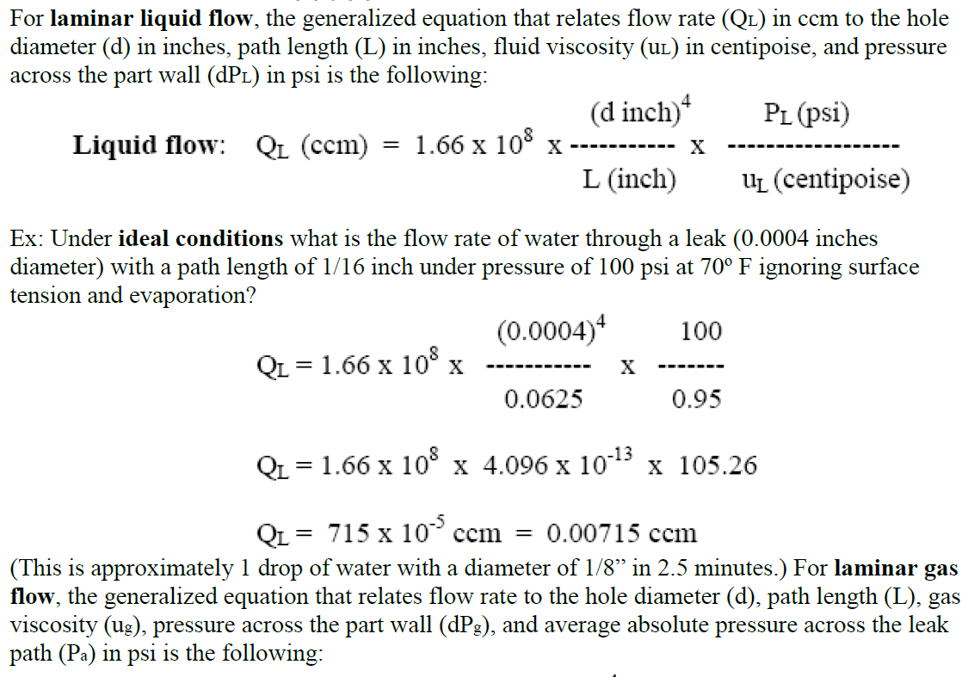
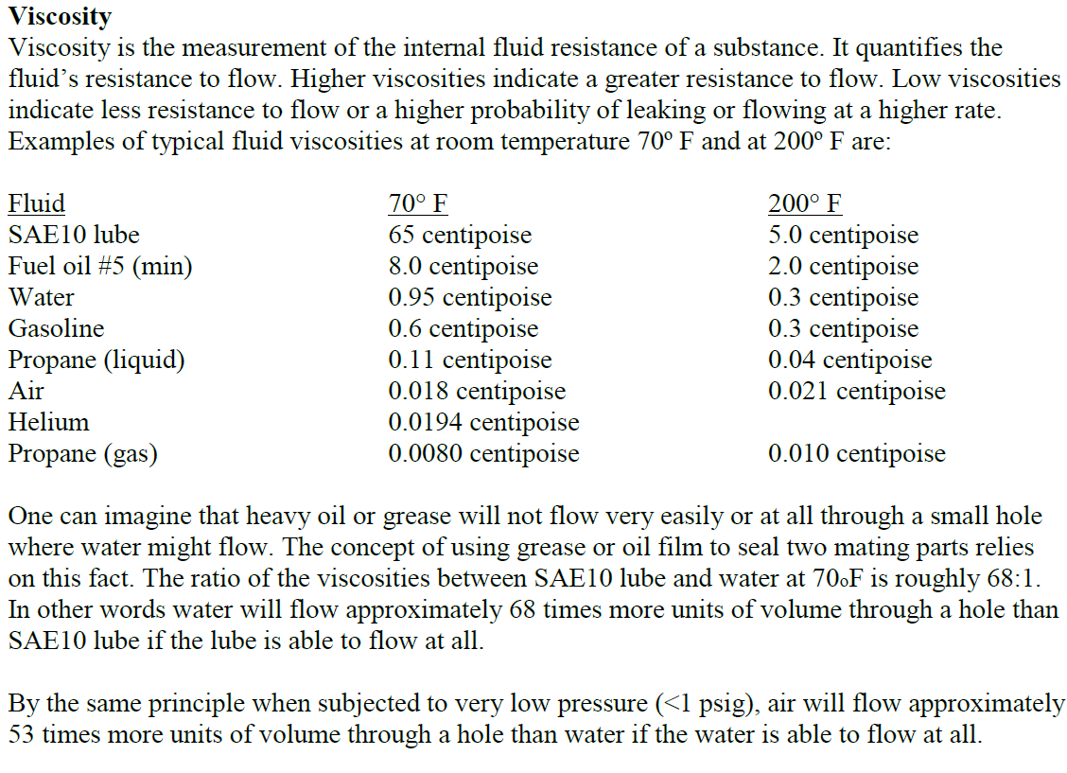
 |  |  |  |  |  |  |  |  | inches | inches | mm | microns
 |  |  |  |  |  |  |  |  | 0.0004 | 4.00E-04 | 0.01016 | 10.16
 |  |  |  |  |  |  |  |  |  | 1.79E-04 | 0.00455 | 4.55
 |  |  |  |  |  |  |  |  |  |  | 0.00000 | 0.00
 |  |  |  |  |  |  |  |  |  |  | 0.00000 | 0.00
 |  |  |  |  |  |  |  |  |  |  | 0.00000 | 0.00
 |  |  |  |  |  |  |  |  |  |  | 0.00000 | 0.00

Sector Vol
 |  | Volume 60 Deg Sector of RE4 very Approx

Flexiblle Parker Hose 1/4inch

 | Ch q | Channel 1 | Channel 2 | Channel 3

Christmas tree
Pipe L= | 6 | 7.8
 | 5 | 6.5
 | 4 |  | 5.2
 | 3 |  | 3.9
 | 2 |  |  | 2.6
 | 1 |  |  | 1.3

RE4/3. RE4/2 not shown
 | 20deg L= | 14.3 | 9.1 | 3.9
 | Total L= | 27.3

 | Volume flexibles |  | Dia. 6.35mm
 |  |  | L= 27.3m

 | Vol Cal. = |  | 3456.53 | [cm3]
 |  |  | 3.46 | [litres]

 | Chamber SM Volume 20deg

 |  | L= 2m
 |  | Dia 8x6mm
 |  | One col circuit = |  | 452.16 | [cm3]
 |  |  |  | 4.52E-01 | [litres]
 |  | 4 chambers in 20deg = |  | 1.81E+00 | [litres]

 | Christmas tree Volume 60deg

 |  | L= 650mm
 |  | dia. Int ~35mm

 |  | Vol = | 589.85 | [cm3]
 |  |  | 0.59 | [litres]
 |  | There are 2 volumes
 |  | Total Vol = | 1.18 | [litres]

 | With the rack circuit isloated and the supply return from the manifold turned off

 |  | Total 60 deg Volme = |  | 1.01E+01 | [litres]

